Sheet1
 |  | ELECTRICAL
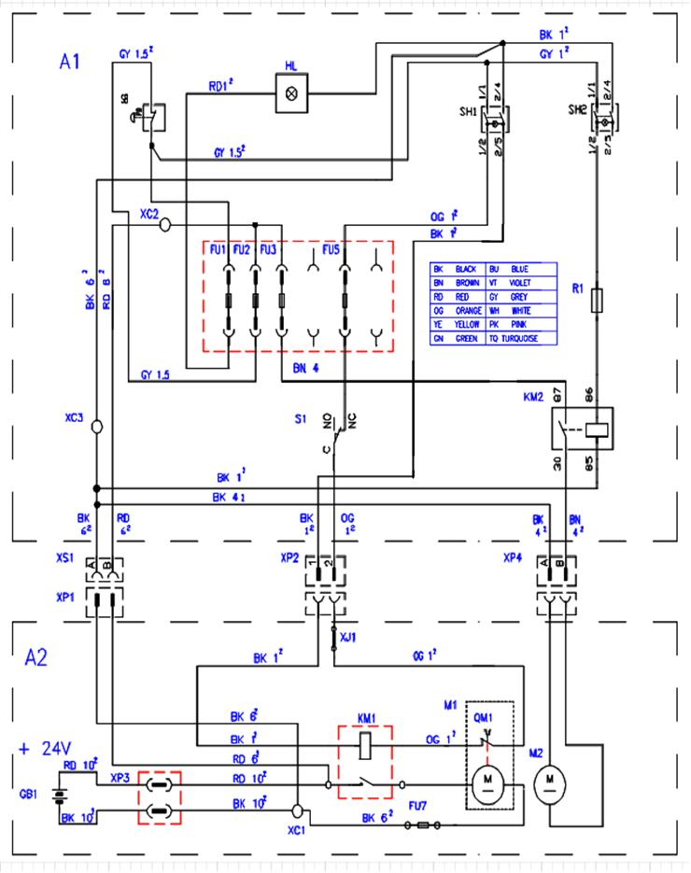

ITEM | SKU | DESCRIPTION | QTY | ITEM | SKU | DESCRIPTION | QTY
FU1 | E89342 | Fuse 30 Amp | 1 | SH2 | E86423 | Bipolar Switch | 1
FU2 | E86647 | Fuse 40A | 1 | VD1 | MEC 00294 | DIODE 1N4007 | 1
FU6 | E89342 | Fuse 30 Amp | 1 | VD2 | MEC 00294 | DIODE 1N4007 | 1
FU7 | E87883 | 60 AMP Fuse | 1 | XC1 | MEVR01116 | SUPPORT | 1
HL | E86496 | Circuit Board | 1 | XC2 | MEVR01227 | CLAMP FORBOX E27 | 1
KM1 | E86420 | Relay | 1 | XP1 | E89281 | Female connector kit | 1
KM2 | E89471 | Vac Motor Relay | 1 | XP2 | E86307 | Connector | 1
M1 | E86608 | Brush Motor | 1 | XP3 | MEVR01079 | CONNECTOR | 1
M2 | E89124 | 2 stage vac motor | 1 | XP4 | E89281 | Female connector kit | 1
R1 | E89223 | Resistor | 1 | XP5 | MEVR01291 | CONNECTOR | 1
S1 | MEC 00310 | MICROSWITCH | 1 | XS1 | E89282 | Male connector kit | 1
SBF | E86988 | Main Switch | 1 | XS2 | E86308 | Connector | 1
SH1 | E86423 | Bipolar Switch | 1 | XS4 | E89282 | Male connector kit | 1

